G5-details
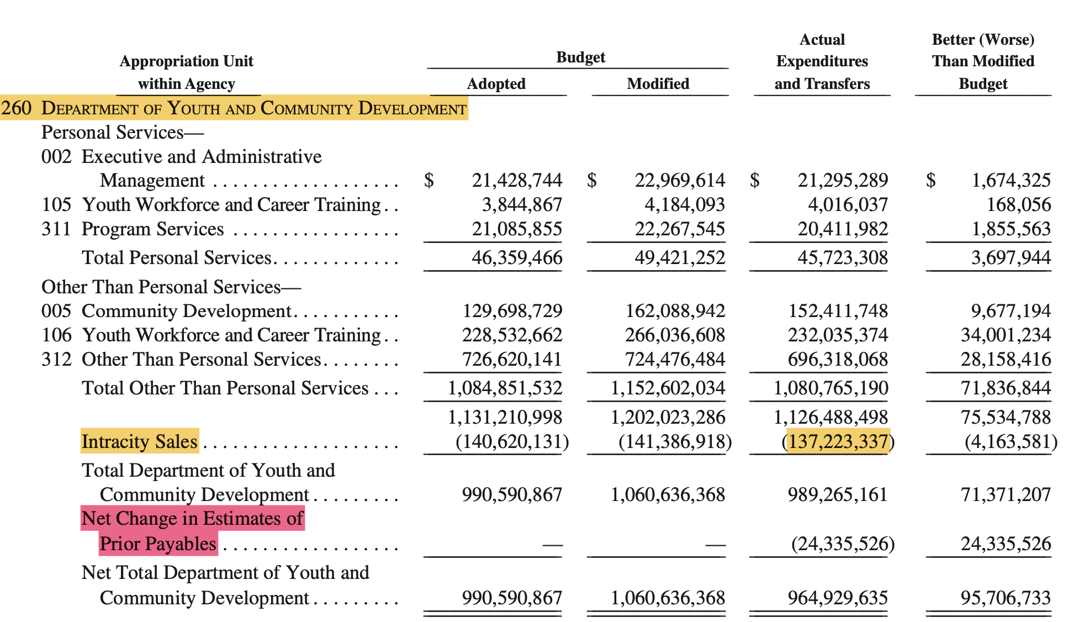
Year 2023
Department of Youth and Community Development
department | checkbook adopted | ACFR adopted | abs diff | % diff | Checkbook modified | ACFR modified | abs diff | % diff | checkbook Actual | ACFR Actual Expenditure | abs diff | % diff
COMMUNITY DEVELOPMENT OTPS | 129698729 | 129,698,729 | 0 | 0% | 162088942 | 162,088,942 | 0 | 0% | 152411748 | 152,411,748 | 0 | 0%
EXECUTIVE AND ADMINISTRATIVE MGMT PS | 21428744 | 21,428,744 | 0 | 0% | 22969614 | 22,969,614 | 0 | 0% | 21295289 | 21,295,289 | 0 | 0%
OTHER THAN PERSONAL SERVICES | 726620141 | 726,620,141 | 0 | 0% | 724476484 | 724,476,484 | 0 | 0% | 696318068 | 696,318,068 | 0 | 0%
PROGRAM SERVICES - PS | 21085855 | 21,085,855 | 0 | 0% | 22267545 | 22,267,545 | 0 | 0% | 20411982 | 20,411,982 | 0 | 0%
YOUTH WORKFORCE AND CAREER TRAINING - PS | 3844867 | 3,844,867 | 0 | 0% | 4184093 | 4,184,093 | 0 | 0% | 4016037 | 4,016,037 | 0 | 0%
YOUTH WORKFORCE AND CAREER TRAINING OTPS | 228532662 | 228,532,662 | 0 | 0% | 266036608 | 266,036,608 | 0 | 0% | 232035374 | 232,035,374 | 0 | 0%
 |  |  |  |  |  |  |  |  | Checkbook Actual= Commited +Cash expense ‘Committed’=Sum of ‘Pre-Encumbered’ , ‘Encumbered’ , ‘Accrued Expense’, ‘Cash Payments’ and ‘Post Adjustments’.

Intra city sales - from revenue dataset | checkbook intracity
2023 Department of Youth and Community Development | 137223337
 |  |  |  |  |  |  | Checkbook Actual |  | 989265161 | 🎊🎉🪅
 |  |  |  |  |  |  | EST Prior Payable??

